HSDS Logical Model
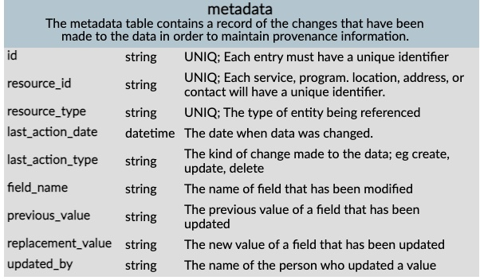
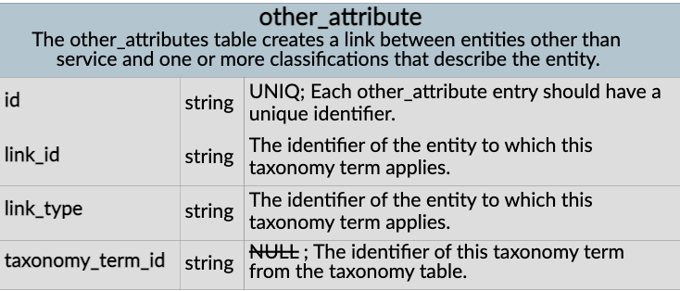
https://docs.openreferral.org/en/latest/hsds/logical_model/#er-diagram-full-version | Link to Entity Relationship (ER) Diagram HSDS
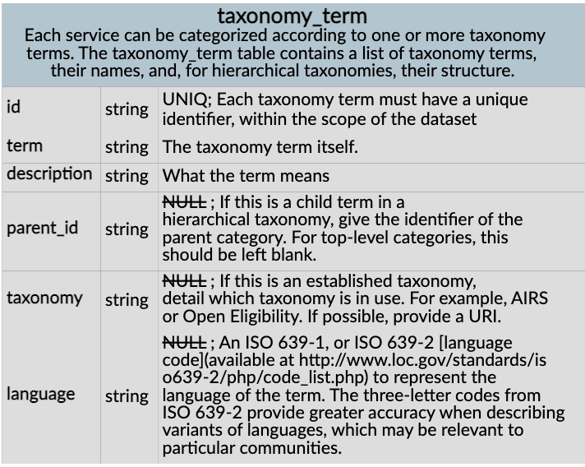

 | Enlarge diagram

 |  |  |  |  |  |  |  |  |  |  |  |  | Is link_id the identifier of the data element within a standard code system?

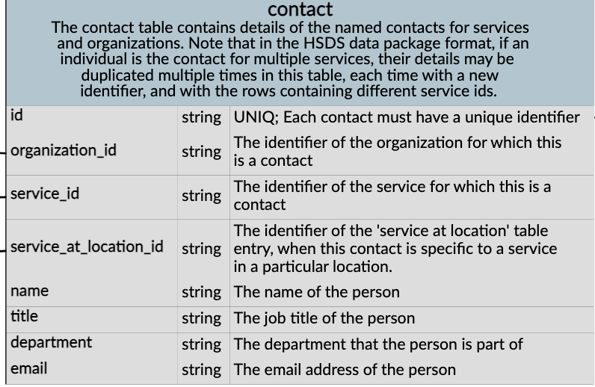
 | Identifiers: | The HSDS specification contains a lot of identifiers; this guide explains what they’re for and what good practice looks like around using them.
 | id fields | Each table in HSDS has an id field; as HSDS is designed to map onto a relational database, it’s a way of uniquely identifying every row in a table. For example, a service has an id, which service_at_location refers to as service_id. These IDs generally don’t have an external meaning, but are used within the data for tables to reference each other via foreign keys. The organization table is a special case; because identifying organizations is a complex area, the standard stipulates that UUIDs must be used so as to prevent the use of external identifiers. This avoids, for example, issues such as companies changing their legal status and causing data quality issues as a result. |  |  |  |  |  |  |  |  |  |  | How does link_type differ
 |  |  |  |  |  |  | Deal with this identifier when we begin mapping to 211LA? |  |  | taxonomy_term.id |  |  | from link_id based on the definition?

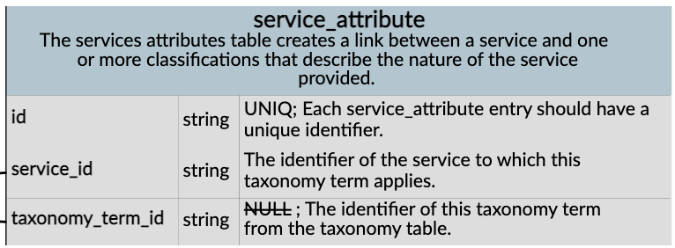

 |  |  |  |  |  |  |  |  |  |  |  |  |  | organization.id

 |  |  |  |  |  |  |  |  |  |  |  |  |  | service.id

 |  |  |  |  |  |  |  |  |  |  | service.id |  |  | service_at_location.id

 |  |  |  |  |  |  |  |  |  | taxonomy_term.id
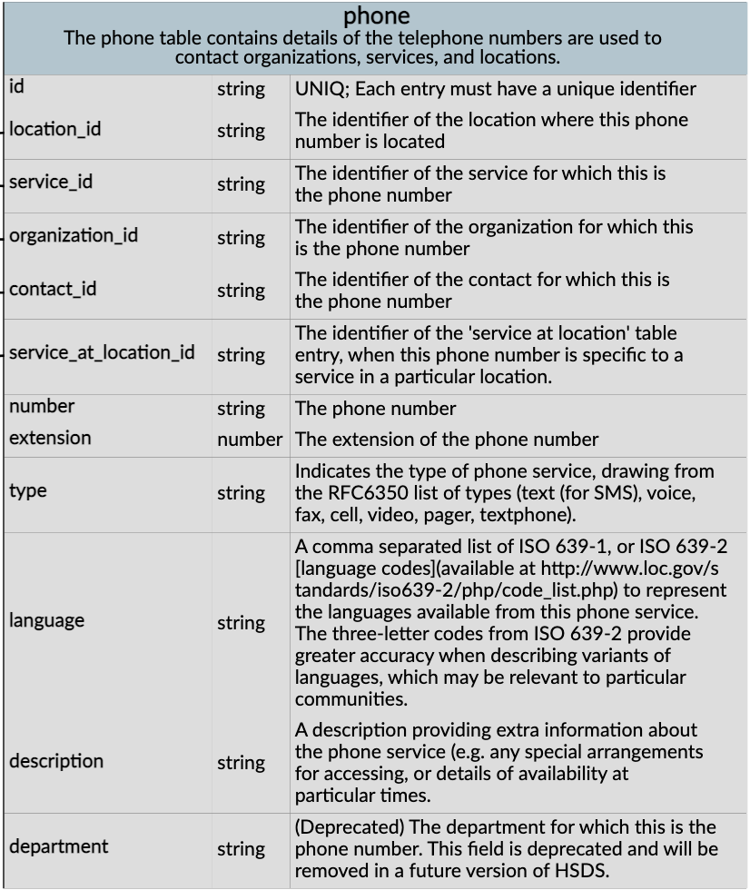
 |  |  |  |  |  | Is program used like category to group services within an organization for search capabilities (as well as for other purposes)?
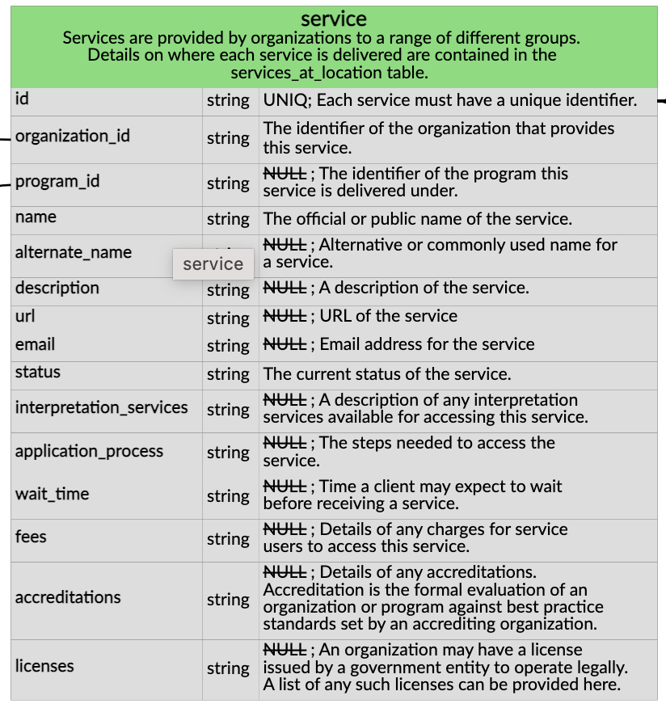
 |  |  | Questions: |  |  |  |  |  |  |  |  |  | Not computable
 |  |  | Is every foreign key table.id actually a UUID?
 |  |  | Will physical_address and postal_address be combined in 2.1? |  |  |  |  |  |  |  |  |  |  |  | location.id
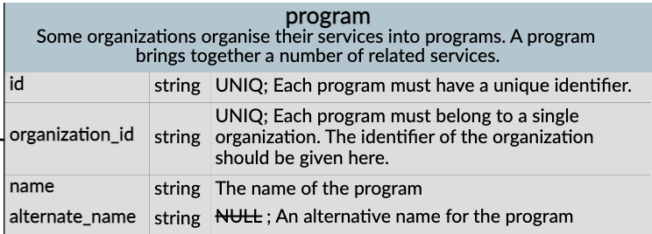
 |  |  |  |  | program.organization_id is a UUID |  |  |  |  |  | ___________
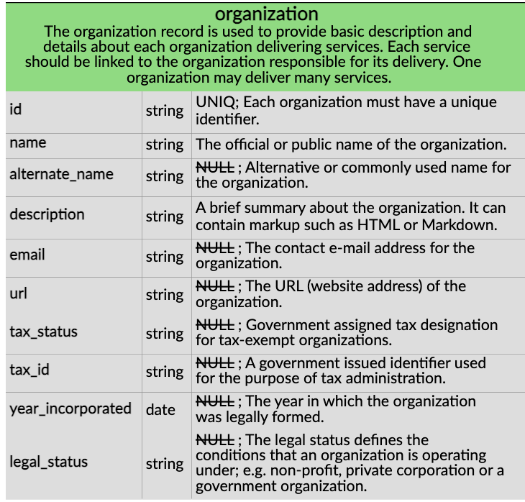
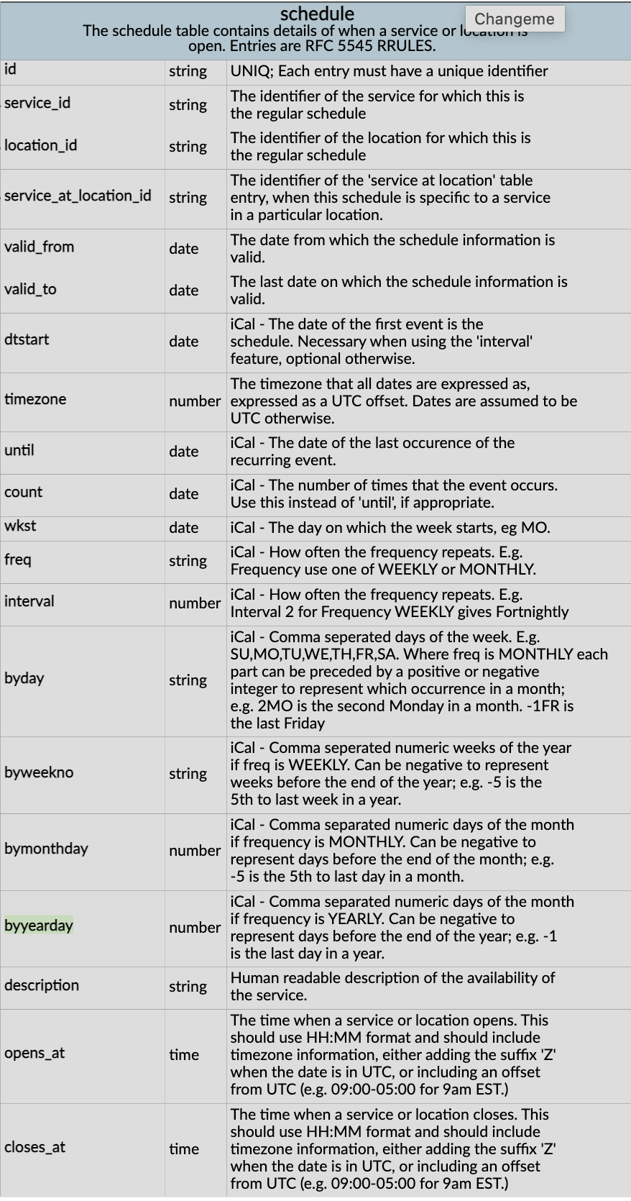
 |  |  |  |  |  |  |  | ------------------------------------------- | program.organization_id |  |  |  |  |  | service.id
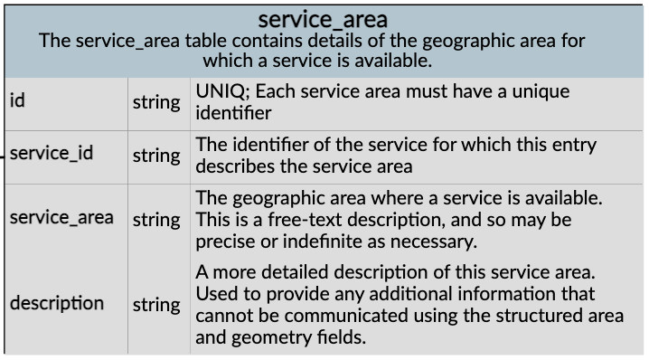
 |  | UUID |  |  |  |  |  | _____________________________________________________ |  |  |  |  |  | schedule table actually contains details as to when services or locations are available | organization.id ----------------------------------
 |  |  |  | -------- |  |  |  |  |  |  |  |  |  | service.id
 |  |  |  |  |  |  |  |  |  |  |  |  |  |  | service_at_location.id
 |  |  |  |  |  |  |  |  |  |  |  |  |  | location.id
 |  |  |  |  |  |  |  |  |  |  | service.id
 |  |  |  |  |  |  |  |  |  |  |  |  |  | service_at_location.id

 |  |  |  |  |  |  |  |  |  |  |  |  | May be a GAP
 |  |  |  |  |  |  |  |  |  |  | service.id | 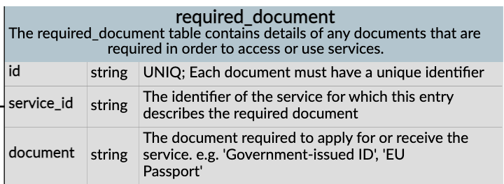 | Could required_document be used to represent whether an organization is accepting new clients (for specific service(s)? FHIR HealthcareService.newpatients

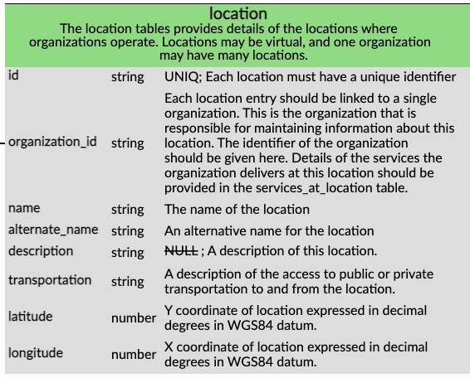
 |  |  |  |  |  |  |  |  |  |  |  |  | May be a GAP

 |  |  |  |  |  |  |  |  |  |  | service.id

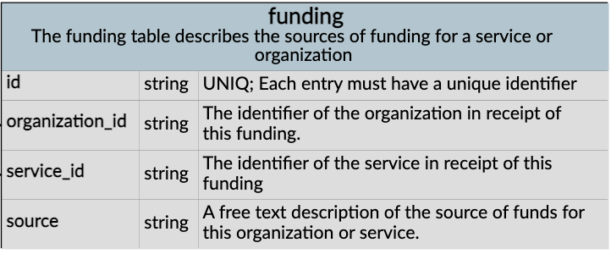
 |  |  |  |  |  |  |  |  | organization.id
 |  |  |  |  |  |  |  |  |  |  |  |  | May be a GAP

 |  |  |  |  |  |  |  |  |  | organization.id

 |  |  |  |  |  |  |  |  |  |  | service.id

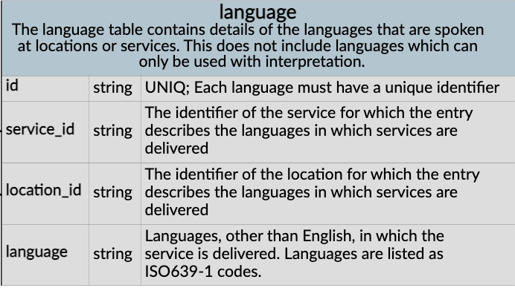

 |  |  |  |  |  |  |  |  |  | service.id

 |  |  |  |  |  |  |  |  |  |  | location.id

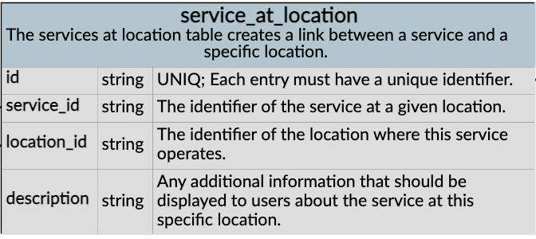

 |  |  |  |  |  |  |  |  |  |  | service.id

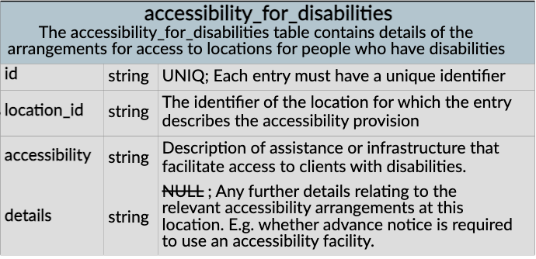

 |  |  |  |  |  |  |  |  |  |  | location.id

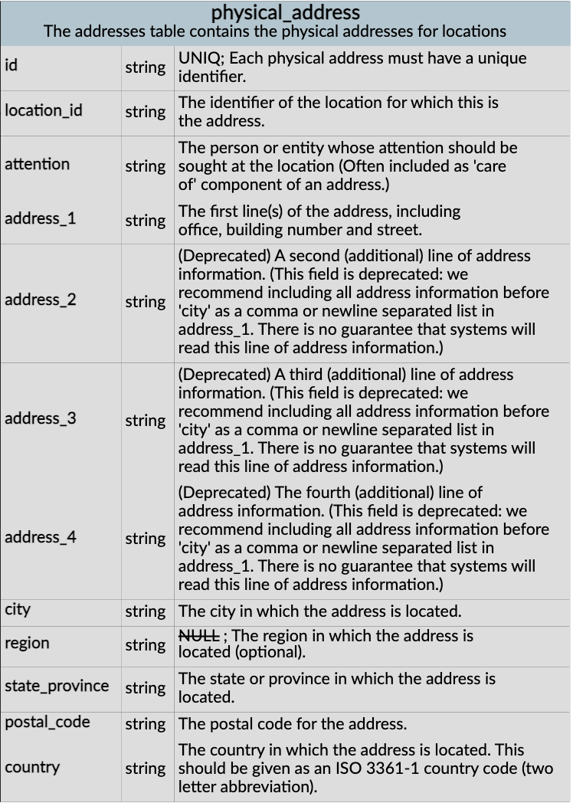

 |  |  |  |  |  |  |  |  |  |  | location.id

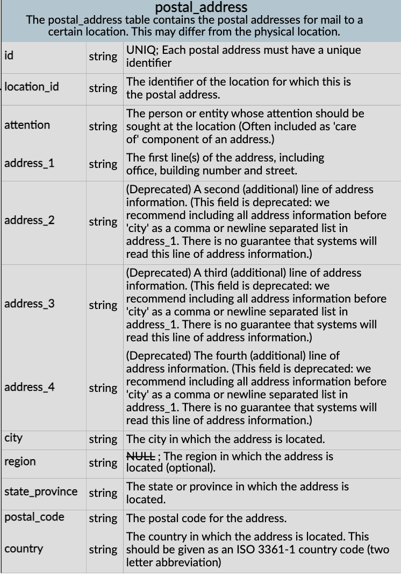

 |  |  |  |  |  |  |  |  |  |  | location.id

 |  |  |  |  |  |  |  |  |  |  | Metadata tables are covered automatically in FHIR using the meta datatype in all FHIR Resources

